ALL Teacher Overview
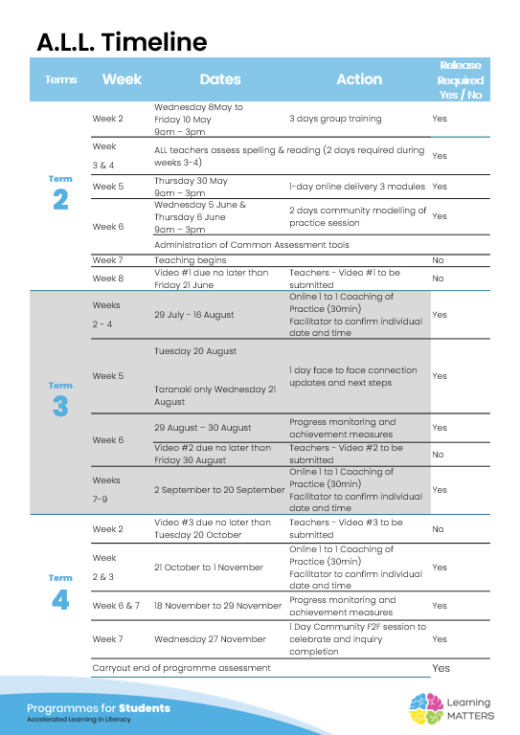

Roadmap
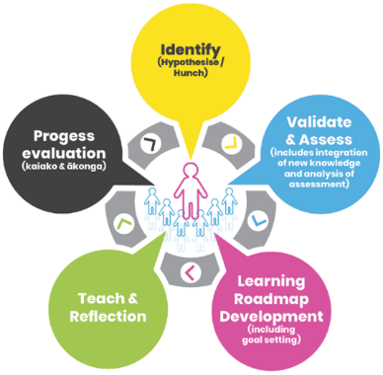 |  | The Inquiry cycle understood …
 |  | Hunch | What do you suspect is the cause of literacy underachievement? | - Poor phonics affecting spelling. - Poor use of writing conventions and lack of proof-reading or editing their written work.
 |  | Validate and Assess | Once you have completed all assessments has your hunch been validated and or is further assessment or knowledge building necessary? | Yes.
 |  | Roadmap Actions | Now you have greater knowledge and relevant assessment findings what steps will you take? | Begin with phonics. Bring in paragraph writing.
 |  | Goal Setting | Write a goal for you as the teacher that reflects your aspirations to continue to improve both knowledge and practice and also a goal for your group of students. | Goal 1: Increase my knowledge of phonics. Goal 2: Improve students written work.
 |  | Teaching | What will the key components of your teaching sessions include for this group of Tier 2 students? | Phonics - spelling
 |  | Reflection | You will be required to reflect throughout your roadmap at regular intervals, particularly after observations and coaching sessions. | I need to get faster in delivery of lessons. Prepare the 3 lessons for the week all at once
 |  | Progress evaluation | At the beginning of Term 3 and again at the end of term 4 you will evaluate the progress both you and your students have made. | T3: Students are doing well at learning phonics. Some less active in choral reading. I am speeding up delivery and including more irregular words but am not getting time to check work. My target group are now spread throughout the class (for class managemnt) which has increased the difficulty in getting to see their work. Book checks done after class show they are doing the work but sentences need working on.

Roadmap for implementation and tracking progress and actions
Now use the information and reflections above to map out your roadmap and set goals for your inquiry. ALL participants will be required to keep a journal of their progress and actions. This will assist in monitoring achievements and progress towards teacher and student goals.
Term 2 Goal Setting
Teacher goal
Student outcome goals

Term 2 Roadmap
Week | Focus | Teacher Actions | Reflection and next steps
3
4
5
6
7 | long/short vowels |  | Keep doing vowels, class not strong on vowel sounds
8 | open/closed syllables |  | Keep revising open/closed syllables to aid in spelling words
9 | absent
10 | silent e rule |  | Seemed to know this well

Term 2 Evaluation & Term 3 Goal Setting
Student progress and next steps
Teacher progress and next steps |  | Very slow start, learning the programme and how to run a lesson. Need to speed up. Each session takes a very big chunk out of my lesson so not much Social Studies happening. Will have to rectify this in term 3.

Term 3 Roadmap
Week | Focus | Teacher Actions | Reflection and next steps
1 | silent e rule - drop the e to add -ing |  | Most did this well
2 | y sounds like long e & long i |  | Did this well
3 | digraph /sh/ | Intro vocab words for Unit - ref slideshow on words for Environmental | Need to come back to Irregular words at some stage
4 | digraph /ch/ | Intro vocab words for Unit using Lingo Lizard format | Encourage use of Unit words in writing Lots of new words - repeat word + definitions
5 | digraph /th/ |  | What have you noticed about your teaching practice? I have only been teaching spelling, not started any reading which I would like to do as it would integrate well into Social Studies programme. My pace has picked up but I need to still improve. I notice I have been including some of the spelling strategies in other classes. What have you noticed about your student practice? They have cllcked into tapping out the syllables of a word and I have seen some using it for sounding out other words they have to spell. What impact or improved practice have you seen? Because the literacy teaching is taking so long each session I only get 15-25 minutes to teach Social Studies where I would see the impact of the teaching.
6 | Review & Testing | Revision of ''rules" + digraphs learnt so far. Testing ORF | ORF - why percantiles? Recording accuracy percentage seems a better way of monitoring reading accuracy. Comparing ORF results was not helpful as students read at a leisurely pace in the second test, which resulted in a lower percentile.
7 | Testing | ORF catch ups + Adapted Bryant + Spelling | Adapted Bryant - I like the breakdown of the score. Makes it easy identify which students to target and for what spelling concepts (- not as overwhelming as all the data from the spelling test). Comparing Adapted Bryant results 5 students showed improvement; the 6th student showed only slight progress - he is the student frequently absent.
8 | digraph /qu/ & /ph/ |  | Class did the slides well, but poor on spelling the words. They need more practice in learning to spell the words.
9 | end blends -ct/-pt/-nd/-lt
10

Term 3 Evaluation & Term 4 Goal Setting
Student progress and next steps
Teacher progress and next steps

Term 4 Roadmap
Week | Focus | Teacher Actions | Reflection and next steps
1
2
3
4
5
6
7
8

Term 4 Evaluation & Final Reflections
Student progress and next steps
Teacher progress and next steps

